Sheet1
Muscle Group 1 | Muscle Group 2 | Muscle Group 3 | Muscle Group 4 | Muscle Group 5 | Muscle Group 6 | Muscle Group 7 | Muscle Group 8 | Muscle Group 9
'Acromiodeltoideus' | 'Anconeus' | 'Biceps Brachii' | 'Brachioradialis' | 'Extensor Carpi Radialis' | 'Extensor Pollicis Longus 1' | 'Flexor Carpi Radialis' | 'Spinodeltoideus' | 'Triceps Brachii Long'
'Coracobrachialis' | 'Epitrochlearis' |  | 'Brachialis' | 'Extensor Digitorum Communis 2' | 'Extensor Pollicis Longus 2' | 'Flexor Carpi Ulnaris' | 'Teres Major'
'Infraspinatus' | 'Triceps Brachii Lateralis' |  | 'Pronator Teres' | 'Extensor Digitorum Communis 3' |  | 'Flexor Digitorum Profundus 1'
'Supraspinatus' | 'Triceps Brachii Medial' |  |  | 'Extensor Digitorum Communis 4' |  | 'Flexor Digitorum Profundus 2'
'Subscapularis' |  |  |  | 'Extensor Digitorum Communis 5' |  | 'Flexor Digitorum Profundus 3'
'Teres Minor' |  |  |  |  |  | 'Flexor Digitorum Profundus 4'
 |  |  |  |  |  | 'Flexor Digitorum Profundus 5'
 |  |  |  |  |  | 'Flexor Digitorum Superficialis 2'
 |  |  |  |  |  | 'Flexor Digitorum Superficialis 3'
 |  |  |  |  |  | 'Flexor Digitorum Superficialis 4'
 |  |  |  |  |  | 'Flexor Digitorum Superficialis 5'
 |  |  |  |  |  | 'Palmaris Longus 1'
 |  |  |  |  |  | 'Palmaris Longus 2'
 |  |  |  |  |  | 'Palmaris Longus 3'
 |  |  |  |  |  | 'Palmaris Longus 4'
 |  |  |  |  |  | 'Palmaris Longus 5'

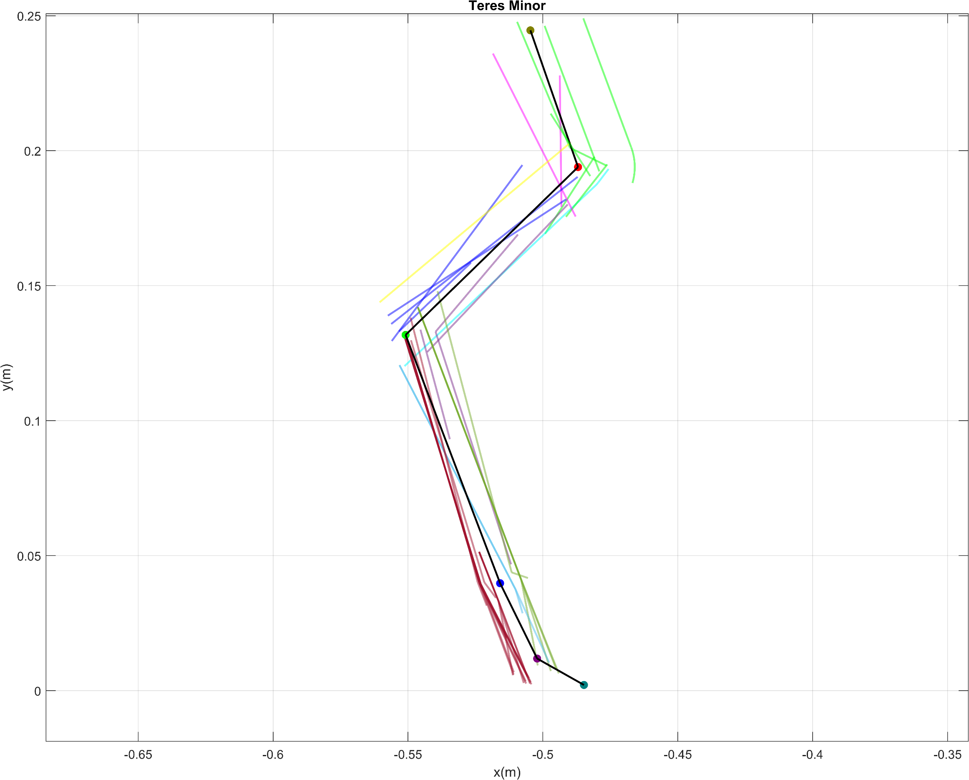
Muscle Group 1
Muscle Group 8

Muscle Group 9

Muscle Group 2

Muscle Group 3

Muscle Group 4

Muscle Group 6

Muscle Group 7
Muscle Group 5

